Sheet1
 |  | UPDATED 4-17-19

MENS | Brand | Retail | Wholesale | Style# | Style Name | Color | Qty |  |  | 7 | 7H | 8 | 8H | 9 | 9H | 10 | 10H | 11 | 11H | 12 | 12H | 13
 | Turner | $79.99 | $35.00 | T4001M | T-Lazer | Red/Yellow | 383 |  |  | - | - | 15 | 12 | 43 | 45 | 30 | 85 | 76 | 77 | - | - | -
 | Turner | $79.99 | $35.00 | T1000M | T-Pump | Blue/White/Black | 1,605 |  |  | 24 | 24 | 84 | 132 | 176 | 262 | 276 | 302 | 193 | 108 | 12 | - | 12
 | Crossport | $69.00 | $33.00 | M00006 | Montecito Bay | Blk/Org | 161 |  |  | - | 36 | - | - | - | - | - | - | - | - | - | - | 125
 | Crossport | $69.00 | $33.00 | M00006 | Montecito Bay | Grey/Blk/Red | 847 |  |  | - | 60 | - | 125 | 73 | 145 | 48 | 72 | 84 | - | 108 | - | 132
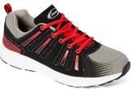 | Crossport | $69.00 | $33.00 | M00005 | Newport Bay | Grey/Blk/Red | 264 |  |  | - | 36 | - | 84 | - | 36 | - | 60 | - | - | - | - | 48
 | Crossport | $69.00 | $33.00 | M00005 | Newport Bay | Blk/Blu/Lime | 551 |  |  | - | 48 | 12 | 12 | 2 | - | 71 | 192 | - | - | 202 | - | 12
Total Men's |  |  |  |  |  |  | 3,811 |  |  | 24 | 204 | 111 | 365 | 294 | 488 | 425 | 711 | 353 | 185 | 322 | - | 329

WOMENS |  | Retail | Wholesale | Style # | Style Name | Color | Qty | 6 | 6H | 7 | 7H | 8 | 8H | 9 | 9H | 10 | 10H | 11
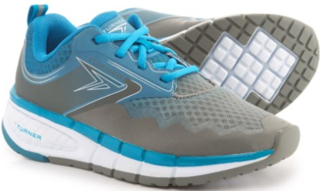 | Turner | $85.00 | $37.50 | T4000W | T-Legacy | Jewel/Grey | 165 | - | - | - | - | 12 | 20 | 2 | 87 | 41 | - | 3
 | Turner | $79.99 | $35.00 | T4001W | T-Laser | Black/Grape | 871 | 36 | 24 | 56 | 47 | 117 | 130 | 154 | 167 | 93 | - | 47
 | Turner | $79.99 | $35.00 | T4001W | T-Laser | Grey/Pink/Teal | 1,469 | 27 | 54 | 78 | 132 | 218 | 235 | 292 | 307 | 72 | - | 54
 | Turner | $79.99 | $35.00 | T1000W | T-Pump | Black/Berry/Pink | 210 | 14 | 23 | 25 | 43 | 12 | 32 | 24 | - | 18 | - | 19
 | Turner | $79.99 | $35.00 | T1000W | T-Pump | Coral/Burgundy/White | 274 | 30 | - | 89 | 12 | 46 | 30 | 1 | 53 | - | - | 13
Total Women's |  |  |  |  |  |  | 2,989 | 107 | 101 | 248 | 234 | 405 | 447 | 473 | 614 | 224 | - | 136

